Hypothesis testing
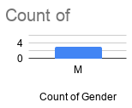
Gender | Height (cm) | Weight (Kg) | Age_group | Y |  | One categorical variable (Gender) | Hypothesis testing
M | 132 | 34 | teen |  | Test | One sample proportion test | 3. To prove our hypothesis, collect evidences |  |  | x1 | x2 cat | x3 | x4 | y cat
M | 154 | 34 | teen |  | End result | Reject Null Hypothesis if P <= 0.05
M | 170 | 63 | teen |  | Null Hypothesis (H0) | There is no difference | 3. Chi-square test
 |  |  |  |  |  |  | M = 7 | 0.7 | 7:3 | M | 2 | 3 | 2
 |  |  |  |  |  |  | F = 3 | 0.3 |  | F | 1 | 1 | 2
 |  |  |  |  |  | One Quantitative variable (Height)
Member | weight_before_joining_gym | weight_after_joining_gym | diff |  | Null Hypothesis (H0) | There is no difference
Person 1 | 34 | 30 | 4 |  | Alternate Hypothesis (H1) | There is a difference between mean of sample and mean of population
Person 2 | 56 | 55 | 1 |  | Test | t - test
Person 3 | 34 | 32 | 2 |  | P - Value | <= 0.05 (Level of significance, alpha)
Person 4 | 45 | 44 | 1 |  | End result | Reject Null Hypothesis if P <= 0.05
Person 5 | 34 | 37 | -3
Person 6 | 75 | 68 | 7 |  |  | Two Quantitative variable (Height & Weight)
Person 7 | 34 | 30 | 4 |  | Null Hypothesis (H0) | There is no relation
 |  |  |  |  | Alternate Hypothesis (H1) | There is a relation
 |  |  |  |  | Test | Correlation test
 |  |  |  |  | Gamma | -1 to 1
 |  |  |  |  | End result | -1 : Strong negative correlation 0 : No correlation 1 : Strong positive correlation

 |  |  |  |  |  | One categorical variable with two categories (Gender) and one Quantitative variable (Height)
 |  |  |  |  | Null Hypothesis (H0) | mean(male_height) = mean (female_height)
 |  |  |  |  | Alternate Hypothesis (H1) | mean(male_height) != mean (female_height)
 |  |  |  |  | Test | t - test (2 independent samples) test of independence
 |  |  |  |  | P - Value | <= 0.05 (Level of significance, alpha)
 |  |  |  |  | End result | Reject Null Hypothesis if P <= 0.05

 |  |  |  |  |  | One categorical variable with two categories (before, after ) and one Quantitative variable (weight)
 |  |  |  |  | Null Hypothesis (H0) | mean(diff)=0
 |  |  |  |  | Alternate Hypothesis (H1) | mean(diff) != 0
 |  |  |  |  | Test | paired t - test (2 dependent samples)
 |  |  |  |  | P - Value | <= 0.05 (Level of significance, alpha)
 |  |  |  |  | End result | Reject Null Hypothesis if P <= 0.05

 |  |  |  |  |  | One categorical variable with more than two categories (Age_group) and one Quantitative variable (Height)
 |  |  |  |  | Null Hypothesis (H0) | mean(child_height) = mean (teen_height) = mean(adult_height)
 |  |  |  |  | Alternate Hypothesis (H1) | At least one mean is different (At least one pair of samples is significantly different)
 |  |  |  |  | Test | ANOVA test (Analysis of variance , test of independence)
 |  |  |  |  | F - Statistic | > 1 (desirable)
 |  |  |  |  | End result | samples are independent if F- statistic > 1

Deep Learning
0 | 0
255 | 1 |  |  |  |  |  |  |  |  |  | (R,G,B)
 |  |  |  |  | 0 | 1
 |  |  |  | 0 | 0 | 0 |  |  |  |  | (255,0,0) | (255,255,255)
 |  |  |  | 1 | 0 | 0 |  |  |  |  | (0,0,0) | (0,255,0)
 |  |  |  |  |  |  |  |  |  |  | (0,0,255) | (255,255,255)
 |  |  |  |  | 0 | 1
 |  |  |  |  | 1 | 0

 |  |  |  |  | 1 | 1 |  |  |  | (195,133,0)
 |  |  |  |  | 1 | 1

 |  |  |  |  |  |  |  |  |  |  |  |  | 0 | 1 | 2 | 3
 |  |  |  |  |  |  |  |  |  |  |  | 0 |  |  |  |  |  | 1 | 1 | 1 | 1
 |  |  |  |  |  |  |  |  |  |  |  | 1 |  |  |  |  |  | 1 | 0 | 0 | 1
 |  |  |  |  |  |  |  | 1 | X |  |  | 2 |  |  |  |  |  | 1 | 1 | 0 | 1
 |  |  |  |  |  |  |  | 0 | X |  |  | 3 |  |  |  |  |  | 1 | 0 | 0 | 1
 |  |  |  |  |  |  |  |  |  |  |  | 4 |  |  |  |  |  | 1 | 0 | 1 | 1
 |  |  |  |  |  |  |  |  |  |  |  | 5 |  |  |  |  |  | 1 | 0 | 0 | 1
 |  |  |  |  |  |  |  | 0 | X |  |  | 6 |  |  |  |  |  | 1 | 1 | 1 | 1
 |  |  |  |  |  |  |  | 1 | X

 |  |  |  |  |  |  |  | 1 | X |  |  |  |  |  |  |  |  | 1 | 1 | 1 | 1 | 1 | 1
 |  |  |  |  |  |  |  | 1 | X |  |  |  |  |  |  |  |  | 1 | 0 | 0 | 1 | 1 | 1
 |  |  |  |  |  |  |  |  |  |  |  |  |  |  |  |  |  | 1 | 1 | 1 | 1 | 1 | 1
 |  |  |  |  |  |  |  |  |  |  |  |  |  |  |  |  |  | 1 | 1 | 1 | 1 | 1 | 1
 |  |  |  |  |  |  |  |  |  |  |  |  |  |  |  |  |  | 1 | 1 | 1 | 1
 |  |  |  |  |  |  |  |  |  |  |  |  |  |  |  |  |  | 1 | 1 | 1 | 1
 |  |  |  |  |  |  |  |  |  |  |  |  |  |  |  |  |  | 1 | 1 | 1 | 1 | 1
 |  |  |  |  |  |  |  |  |  |  |  |  |  |  |  |  |  |  |  |  |  | 1
 |  |  |  |  |  |  |  |  |  |  |  |  |  |  |  |  |  |  |  |  |  | 1
 |  |  |  |  |  |  |  |  |  |  |  |  |  |  |  |  |  | 1 | 1 | 1 | 1 | 1
 |  |  |  |  |  |  |  |  |  |  |  |  |  |  |  |  |  | 1 | 1 | 1 | 1 | 1
 |  |  |  |  |  |  |  |  |  |  |  |  |  |  |  |  |  | 1 | 1 | 0 | 1 | 1
 |  |  |  |  |  |  |  |  |  |  |  |  |  |  |  |  |  | 1 | 1 | 0 | 1 | 1
 |  |  |  |  |  |  |  |  |  |  |  |  |  |  |  |  |  | 1 | 1 | 1 | 1 | 1
 |  |  |  |  |  |  |  |  |  |  |  |  |  |  |  |  |  | 1 | 1 | 1 | 1
 |  |  |  |  |  |  |  |  |  |  |  |  |  |  |  |  |  | 1 | 1 | 1 | 1 | Feature = [1,1,1,1,1,1,1,1]

 |  | x(n) | System h(n) | y(n)

 |  | y(n) = x(n)*h(n)

Convolution layer |  |  |  |  | Normalization layer (ReLU activation function) |  |  |  |  | Pooling layer (2X2 max pooling) |  |  |  |  |  |  | flattened layer

0.9 | -0.1 | 1 | 0.8 |  | 0.9 | 0 | 1 | 0.8 |  | 1 | 1 |  |  |  |  |  | 1
1 | 0.8 | 0.9 | -0.1 |  | 1 | 0.8 | 0.9 | 0 |  | 1 | 0.8 |  |  |  |  |  | 1
0.4 | 0.9 | -0.1 | 0.6 |  | 0.4 | 0.9 | 0 | 0.6 |  | 0.9 | 0.8 |  |  |  |  |  | 0.9
0.5 | 1 | 0.8 | 0.2 |  | 0.5 | 1 | 0.8 | 0.2 |  |  |  |  |  |  |  |  | 1
0.24 | 0.9 | -0.1 | 0.55 |  | 0.24 | 0.9 | 0 | 0.55 |  |  |  |  |  |  |  |  | 0.8
0.67 | -0.56 | 1 | 0.8 |  | 0.67 | 0 | 1 | 0.8 |  |  |  |  |  |  |  |  | 0.8

 |  |  |  |  |  |  |  |  |  |  |  |  |  |  |  |  | This is the one feature extractd from the image
6X4 |  |  |  |  |  |  |  |  |  | 3X2

28x28 |  |  |  |  |  |  |  |  |  | Pooling layer (2X2 Avg pooling)

CNN | Convolution |  |  |  |  |  |  |  |  | 0.675 | 0.675 |  |  |  |  |  | 0.675
 | Standardization | ReLU |  |  |  |  |  |  |  | 0.7 | 0.4 |  |  |  |  |  | 0.7
 | Polling | max pooling, avg pooling |  | 2x2 |  |  |  |  |  | 0.45 | 0.5875 |  |  |  |  |  | 0.45
 | flattening |  |  |  |  |  |  |  |  |  |  |  |  |  |  |  | 0.675
 |  |  |  |  |  |  |  |  |  |  |  |  |  |  |  |  | 0.4
 |  |  |  |  |  |  |  |  |  |  |  |  |  |  |  |  | 0.5875

 |  |  |  | 32 |  | 12

y1 = a1x1 + a2x2 + a3x3 + c |  |  | Perceptron

x1
x2
x3
a1
a2
a3
c
sigmoid
y

 |  |  |  |  |  |  | y = f(a1x1 + a2x2 + a3x3 + c)

 |  |  |  |  |  |  | f : activation function

 |  |  |  |  |  |  | Sigmoid
 |  |  |  |  |  |  | ReLU
 |  |  |  |  |  |  | Leaky ReLU
 |  |  |  |  |  |  | Softmax
 |  |  |  |  |  |  | tanh

Model Building process1
Validation set Approach

salary | work environment | onsite oportunity | Employee status | salary | work environment | onsite oportunity | Employee status
Low | good | no | Left | Low | good | no | Left
high | very good | yes | Not left | high | very good | yes | Not left

 | Train data |  |  |  | Train data | 70%
 |  |  |  |  | Validation Data | 15%
 | Test data |  |  |  | Test data | 15%
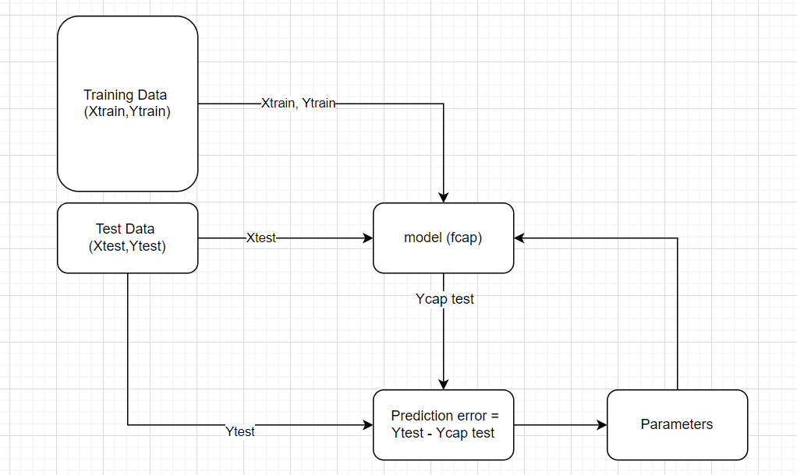
 |  |  |  | M1 = f1cap | e1 = y1 - y1cap |  | Validation data
 |  |  |  | M2 = f2cap | e2 = y2 - y2cap |  | Validation data
 |  |  |  | M3 = f3cap | e3 = y3 - y3cap |  | Validation data
 |  |  |  | M4 = f4cap | e4 = y4 - y4cap | minimum error | Validation data
 |  |  |  | M5 = f5cap | e5 = y5 - y5cap |  | Validation data

 |  |  |  | Select M4

 |  |  |  | Mean Sqaure error = mean (Y - Ycap)^2

 |  |  |  | Mean Sqaure error = [(y1 - y1cap)^2 + (y2 - y2cap)^2 + (y3 - y3cap)^2 + (y4 - y4cap)^2]/4

 |  |  |  | Target (Y) | Predicted (Ycap) | Y - Ycap | sq(Y-Ycap)
 |  |  |  | 23 | 21 | 2 | 4
 |  |  |  | 45 | 48 | -3 | 9
 |  |  |  | 23.5 | 26 | -2.5 | 6.25
 |  |  |  | 67 | 70 | -3 | 9
 |  |  |  | 35 | 40 | -5 | 25
 |  |  |  | 45.8 | 49 | -3.2 | 10.24

 |  |  |  |  |  | MSE | 10.58166667
 |  |  |  |  |  | RMSE | 3.252947381

Linear regression
y vs. x
x | y
0 | 1
1 | 3
2 | 5
3 | 7
4 | 9
5 | 11
6 | 13
7 | 15
8 | 17
9 | 19

 |  |  | weight prediction using height | if there is no input parameter to predict ouptut, then average is taken as prediction
height (x) | weight (Y) | Mean prediction | predicted weight (Ycap) | weight (Y) - mean(weight (Y)) | weight (Y) - predicted weight (Ycap) | MSE(weight (Y) - mean(weight (Y))) | MSE(weight (Y) - predicted weight (Ycap))
156 | 55 | 68.3 | 54 | -13.3 | 1 | 176.89 | 1 | 55
165 | 67 | 68.3 | 64 | -1.3 | 3 | 1.69 | 9 | 67
170 | 70 | 68.3 | 71 | 1.7 | -1 | 2.89 | 1 | 70
170 | 73 | 68.3 | 71 | 4.7 | 2 | 22.09 | 4 | 73
180 | 79 | 68.3 | 82 | 10.7 | -3 | 114.49 | 9 | 79
182 | 82 | 68.3 | 83 | 13.7 | -1 | 187.69 | 1 | 82
183 | 85 | 68.3 | 86 | 16.7 | -1 | 278.89 | 1 | 85
143 | 50 | 68.3 | 48 | -18.3 | 2 | 334.89 | 4 | 50
162 | 59 | 68.3 | 61 | -9.3 | -2 | 86.49 | 4 | 59
167 | 63 | 68.3 | 66 | -5.3 | -3 | 28.09 | 9 | 63
 |  |  |  | error wrt mean | error when there is predictor height | 123.41 | 4.3

 | 68.3

